2022-23 Budget
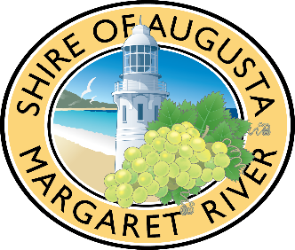
Insert organisation name
Sustainable Economy Grants Budget
This budget template will support your application and show your organisations’ capacity to deliver the proposal.
Some examples are provided below.
Please delete these activities and complete as required.

Income (Service Budget)
List expected income | Total cost $ (inc GST) | Income confirmed Y/N
Shire of Augusta Margaret River Sustainable Economy Grant (Requested) | $3,000
Amount contributed by your organisation (cash) | $1,000
In-Kind contribution e.g. volunteers, admin (estimate) | $2,000
Fundraising | $1,250
Other

TOTAL INCOME | $7,250

Expenditure (Service Budget)
List expected expenditure | Total cost $ (inc GST) | Funding source for the expense eg Shire Grant, Other Grant, Corporate Sponsor, In Kind
PA hire | $1,500 | Shire Grant
Musicians | $800 | Shire Grant
Marketing | $1,750 | Your cash contribution and fund-raising
Volunteers (include time and tasks) | $2,000 | In kind
Permit fees | $200 | Shire grant
Prizes | $1,000 | Shire grant and fundraising

TOTAL EXPENDITURE | $7,250

